1. Title Page
[Instacart 2017 Dataset Analysis]

Project Name: Instacart 2017 Dataset Analysis
Date: 07/05/2022
Analyst Name: Bryan Leavelle

Contents:
Population Flow
Consistency checks
Wrangling steps
Column derivations
Visualizations
Recommendations

2. Population Flow
Title page

Population flow

Exclusion flag
Condition: max_order <
Obervations to be removed:
Final total count of order_products_all:

Orders_products_combined
Orders_products_merged
Orders_products_all

Total: 32404859
Total: 32404859
Total: 32404859

1.) The grey boxes in the first row of the population flow represent the original data sets as they were when you downloaded them. In the Total fields you need to add the count of the rows when you imported the data set into Jupyter.
2.) The second row of boxes (coloured) represents the data sets after you manipulated them, e.g., removed missing values and duplicates. In the Total fields you need to add the count of the rows after conducting these operations. This offers a visual oveview of how the data flows throughout the data consistency checks.
3.) The third row, where also the arrows are coloured, represents the merges you performed between the datasets. In the Total fields you need to add the count of the rows in the merged datasets, so that you end up with the final dataset (in the red box). Keep in mind the final dataset should be without exclusions (based on the exclusion flag).

3. Consistency checks
 |  |  |  | Title page
Consistency checks

Dataset | Missing values | Missing values treatment | Duplicates
orders | days since prior order" | none: they are normal for data they represent | none
products | 16 missing product names | removed | none
orders_products_prior | none | none | none
customers | none | none | none

4. Wrangling steps
 |  |  |  | Title page
Wrangling steps

Columns dropped | Columns renamed | Columns' type changed | Comment/Reason
 | "order_dow" to "order_day_of_week" |  | for readability
 |  | "order_id" to string | data not useful in aggregations or stats calculations
 |  | "user_id" to string | data not useful in aggregations or stats calculations
 | "order_hour_of_day" to "hour_of_order" |  | for readability
"eval_set" |  |  | useless data
 | "First Name" to "first_name" |  | consisstency
 | "Surname" to "last_name |  | consisstency
 | "STATE" to "state" |  | consisstency
 | "Age" to "age" |  | consisstency
 | Gender" to 'gender" |  | consisstency
 |  | "first_name" to string | Mixed data types

5. Column derivations
 |  |  |  | Title page

Column derivations and aggregations

In this tab you should add tables below that the frequences of flags/label variables that you produced after deriving them. NB: don't do this for continuous variables, only for flags.
Dataset | New column | Column/s it was derived from | Conditions
"orders_prods_merged" | "max_order" | "orders" and "user_id" | max order number from user
"orders_prods_merged" | "loyalty_flag" | "max_order" | (>40), (<=40 and >10), (<10)
"orders_prods_merged" | "spender_category" | "avg_order" | (<10), (>= 10)
"orders_prods_merged" | "customer_order_frequency" | "days_since_prior_order" | (>20), (>10 and <=20), (<10)
"big_and_beautiful.pkl" | "region" | "state" | divided into Northeast, South, Midwest and West by state
"big_and_beautiful.pkl" | "adult_cat" | "age, n_dependants, fam_status" | (over 25, married, with dependants) and (over 25, single, no depndants)

6. Visualizations
Title page

Visualisations

In this tab you should include all the visualtions from Exercises 4.9 and 4.10, alongside the questions from the project brief that they answer. Include any commentary on the relationship between different variables.

QUESTIONS FROM 4.10
QUESTIONS FROM 4.9

Fig 1: Distribution of customers by Adult Married Parents and Adult Single Parents
Figure 1: orders by day of the week
Figure 2: order frequeny by hour of the day
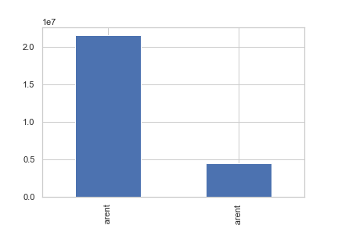
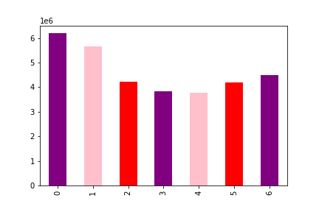
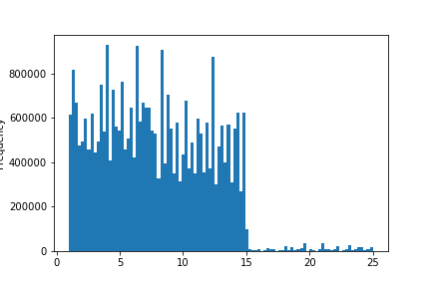

Adult Married Parents
Adult Single Non-parents

Figure 3: number of dependants by age
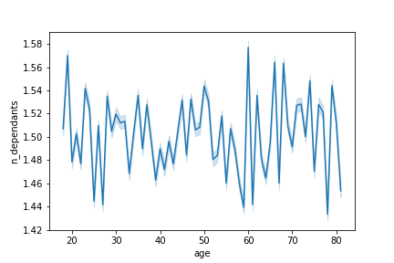
Fig 2: Departments Shopped by Adult Single Non-parents
Fig 3: Departments Shopped by Adult Married Parents
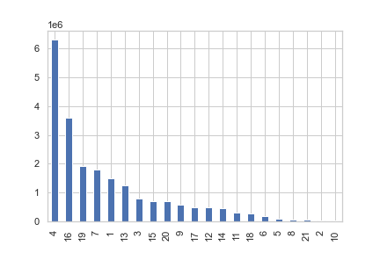


department
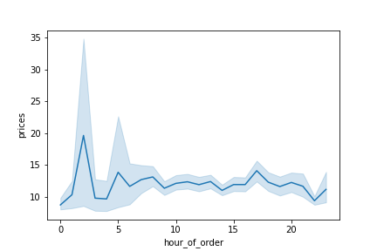
Figure 4: prices of items ordered by hour of day
department
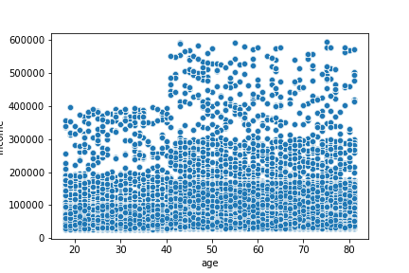
FIgure 5: age of customer and income

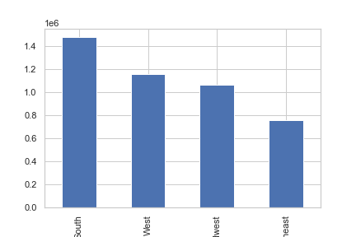
Figure 4: Adult Single Non-parents by region
Figure 5: Married Parents by region
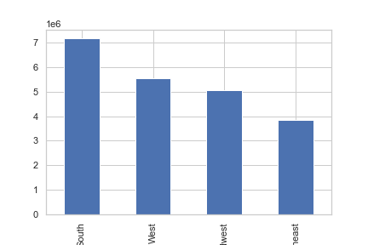

South
West
Midwest
Northeast
South
West
Midwest
Northeast
COMMENTARY ON VARIABLE RELATIONSHIPS

Figures 1 and 2 show that orders are made mostly on weekends, during the day and early afternoon.
Figure 3 shows that while number of dependants varies, there are large spikes around the ages of 19 and 60.
Figure 4 shows that prices of items bought are larger in the very early morning/late night
Figure 5 shows an increase in income as the customer ages
COMMENTARY ON VARIABLE RELATIONSHIPS

While there arent much differences between these two groups I created besides their size (there are more Adult Married Parents than there are Adult Single Non-parents), there are two good conclusions that can be drawn that relate to both groups:
Figure 2 and 3 show that the top 5 most bought departments are 4, 16, 19, 67 and 1
Figure 4 and 5 show that the west and south have the most customers, while the northeast has the least.

7. Recommendations
 |  | Title page

Recommendations

In this tab you should include any recommendations you would made to Instcart in terms of their marketing strategy based on the questions posed in the brief. Every key question has been covered in the Tasks of the Exercises - here you need to add an item - a visualisation or table/crosstable that is showing the answer in the data, acompanied by a comment from you. Please, list the questions below and add the answer underneath.

key questions pulled from project brief.
Figure 1: orders by time of day
Figure 2: Orders by Day of Week
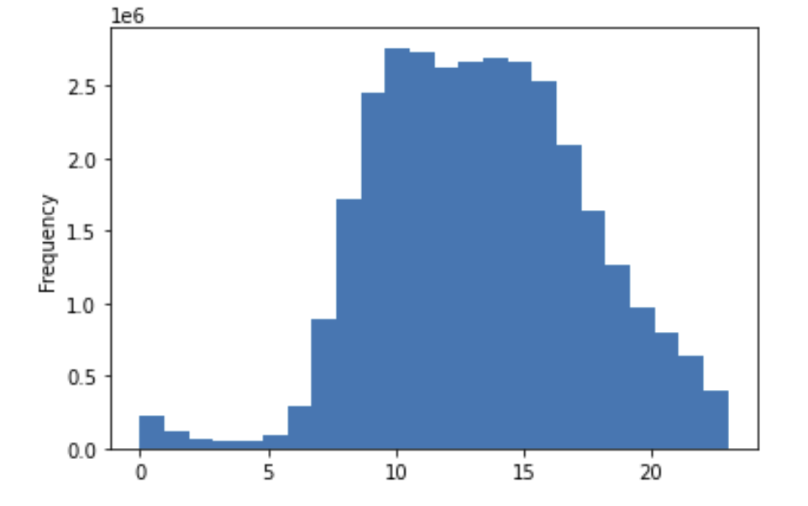
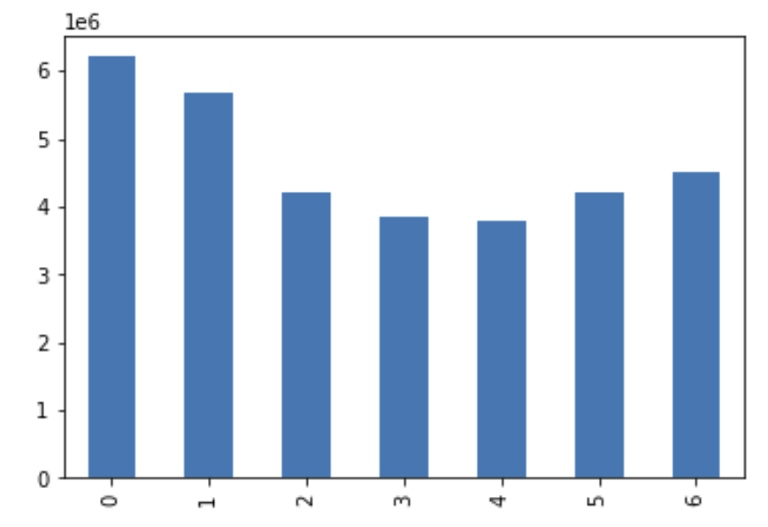
Question | Answer
1. The sales team needs to know what the busiest days of the week and hours of the day.
1. Busiest days are Saturday and Sunday (Figure 2). Busiest times are between approximately 9AM and 6PM (Figure 1).
Recomendation: Focus sales strategies on these times of day, because it is not likely that people will increase the amount of shopping they do while at work.

time of day
Day of Week

Figure 3: prices of items ordered by hour of day
2. They also want to know whether there are particular times of the day when people spend the most money .
2. People spend the most per item late at night (Figure 3).
Reccomendation: Advertise expensive items to late night shoppers.

Figure 4: distribution of price categories
3. Instacart has a lot of products with different price tags. Marketing and sales want to use
simpler price range groupings to help direct their efforts.
3. Created price categories as follows:
High Price: >20
Mid-high price: 15-20
Mid price: 10-15
Mid-low price: 5-10
Low price: 5 and less
(see figure 4 for category distributions)
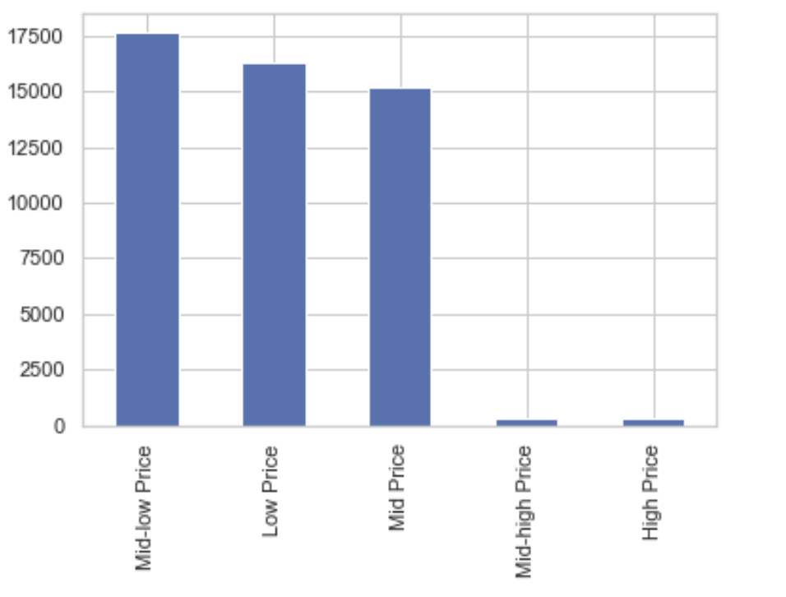

Figure 5: most frequent selling departments
4. Are there certain types of products that are more popular than others?
4. Yes! Most frequent selling departments in Figure 5.
Reccomendations:
If marketting is looking to increase sales in certain departments, focus on 11, 18, 6, 5, 21, 2, 10, the lowest of the bunch.
If they simply want to focus on strong sellers, the top five departments are 4, 16, 19, 7, and 1.
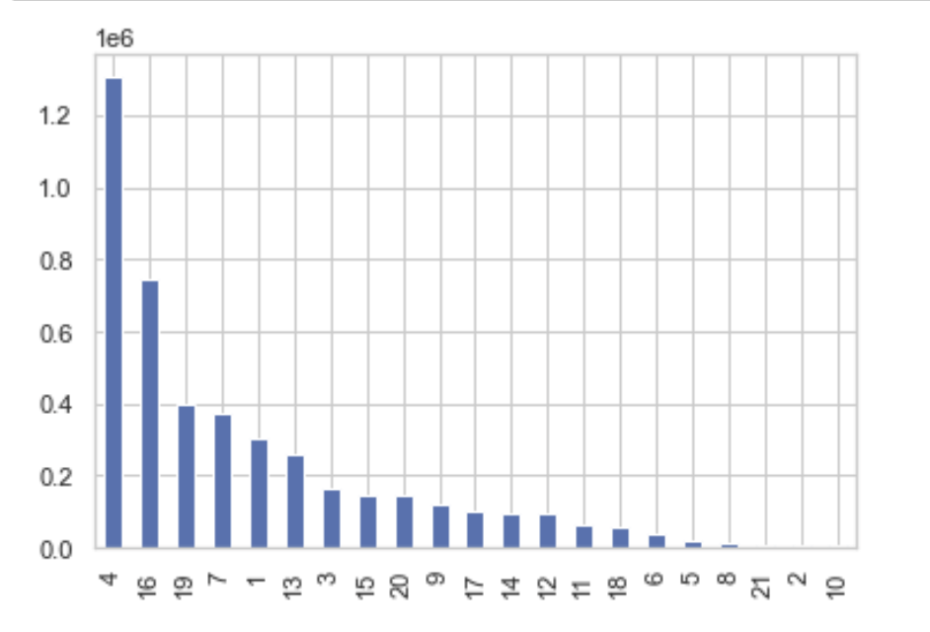

department

Figure 6: customer distribution based on loyalty flag
Figure 7: order frequency of loyalty categories
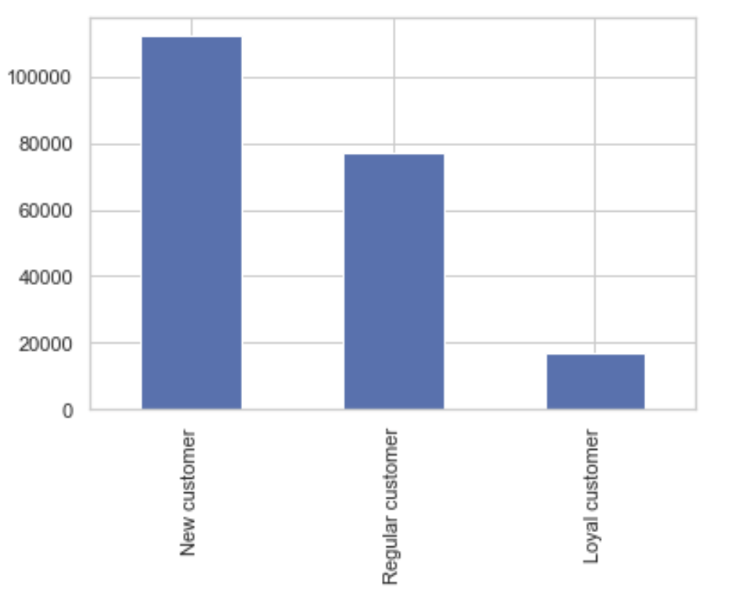
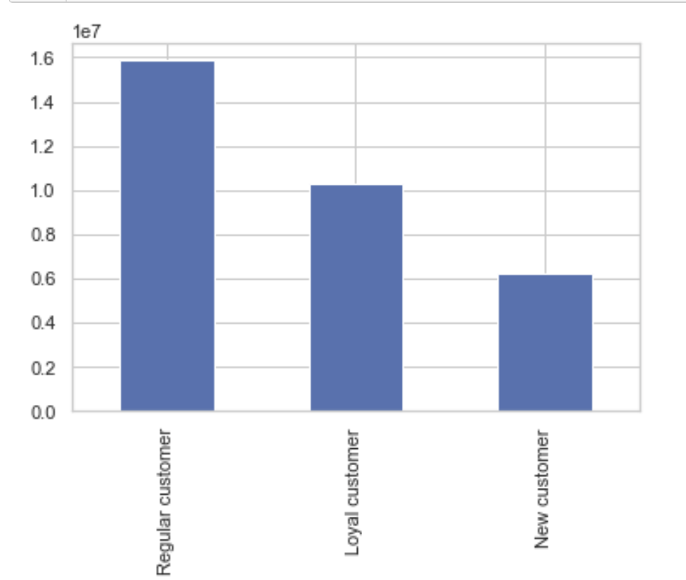
5. What’s the distribution among users in regards to their brand loyalty (i.e., how
often do they return to Instacart)?
6. Are there differences in ordering habits based on loyalty status?
5. New customers make up the majority, with regular customers in second place and a small amount of loyal customers. See figure 6.
6. However, loyal and regular customers do make up the bulk of the total number of purchases made at Instacart. See figure 7.
Reccomendation: incentivising the large new customer category to increase order frequencies.

7. Are there differences in ordering habits based on a customer’s region?
Figure 8: order frequencies by region
Figure 9: Orders made in different regions by price category
7. Yes. The Southern and Western regions order the most frequently. See Figure 8.
Also, rankings of region by price category matches overall rankings in order frequency, with the South at the top and Northeast at the bottom in all price categories. (figure 9)
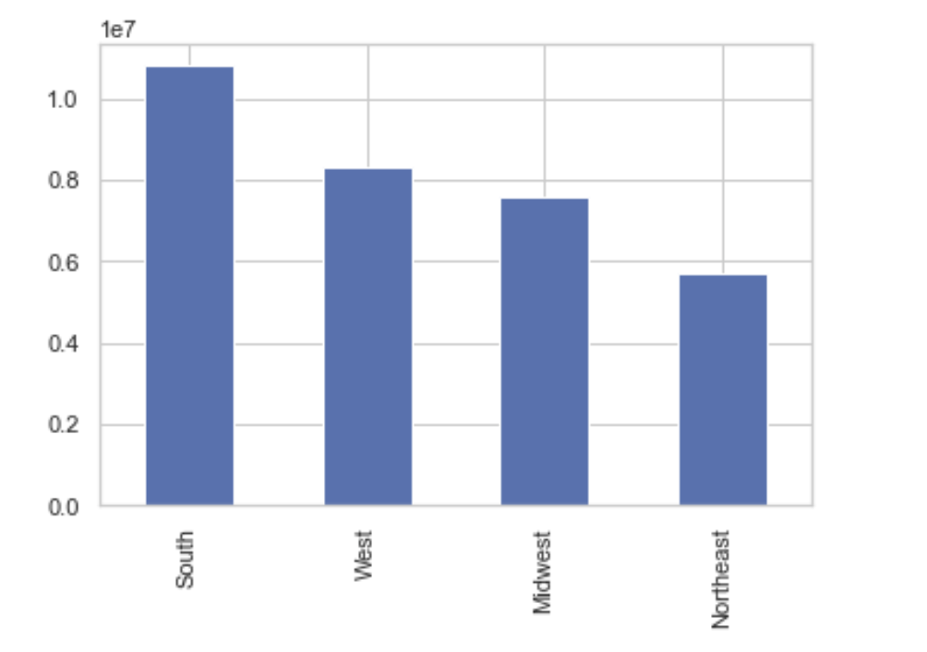

8. Is there a connection between age and family status in terms of ordering habits?
8. This is very hard to tell. The analysis we did compared 25 year olds that were married and 25 year olds that were single. There were NO over 25 year old customers that were single with kids, and NO over 25 year old customers that were married with no kids.
Unfortunately, the analysis performed here showed that there is basically 0 difference between these groups besides their overall size.
Additional exploration into different variable types might uncover some differences, but none were found so far.
For visualizations, see charts on tab 6, figures 1, 2 and 3 in the 4.10 section.

